Summary Table
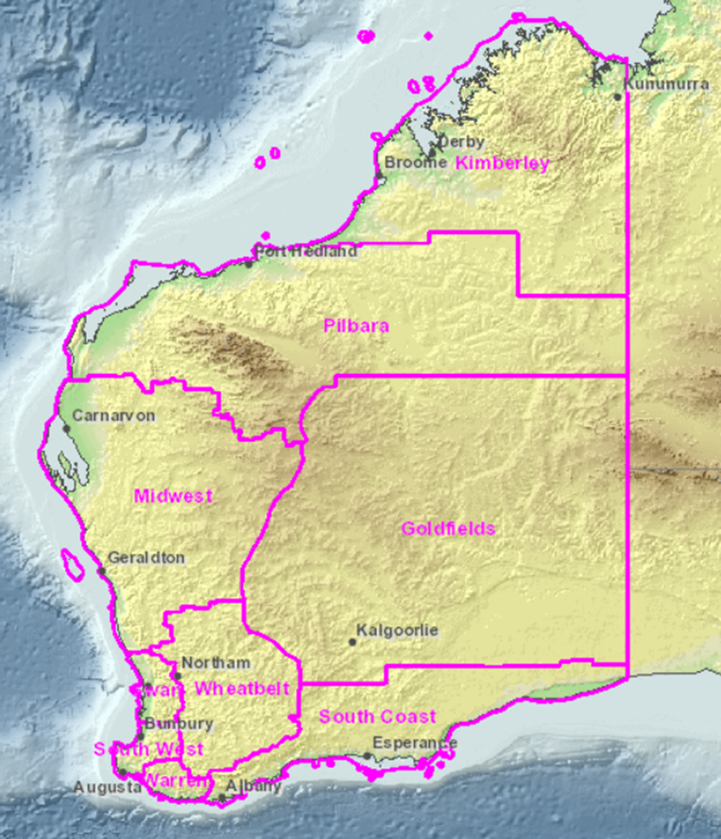
SUMMARY OF PLANT TAXA WITH PRIORITY FOR CONSERVATION BY ADMINISTATIVE REGIONS
2018-12-05
REGION | THREATENED | PRESUMED EXTINCT | PRIORITY 1 | PRIORITY 2 | PRIORITY 3 | PRIORITY 4 | TOTAL TAXA
KIMBERLEY | 5 | 0 | 290 | 119 | 160 | 12 | 586
PILBARA | 3 | 0 | 77 | 43 | 105 | 13 | 241
SWAN | 70 | 3 | 52 | 64 | 112 | 70 | 371
GOLDFIELDS | 16 | 0 | 140 | 45 | 153 | 28 | 382
SOUTH COAST | 107 | 4 | 135 | 235 | 210 | 152 | 843
WARREN | 24 | 0 | 15 | 58 | 71 | 48 | 216
MIDWEST | 122 | 0 | 242 | 204 | 312 | 84 | 964
SOUTH WEST | 53 | 2 | 40 | 49 | 79 | 49 | 272
Unknown | 0 | 3 | 4 | 0 | 0 | 0 | 7
WHEATBELT | 131 | 3 | 166 | 158 | 251 | 87 | 796

STATE* | 429 | 15 | 1072 | 835 | 981 | 366 | 3698
*Species may occur in more than one Region

WA Rank
Critically Endangered | 160
Endangered | 140
Vulnerable | 129

